Car Inventory
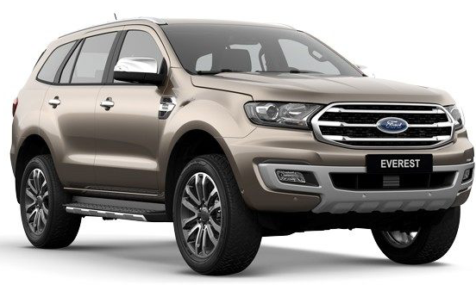
Used Car Sale

Make | Model | Body | Year | Color | Mileage | Price | Inspected | Discounted Price
Mitsubishi | 3000 GT | Sport | 1995 | White | 19800 | $4,000.00 | Yes
Honda | Civic | 4-door | 2000 | Red | 150000 | $3,000.00 | No |  | Price Statistical
Ford | Ranger | Truck | 1986 | Blue | 208000 | $3,200.00 | Yes |  | Maximum
Dodge | Intrepid | Coupe | 2002 | Silver | 148000 | $3,000.00 | Yes |  | Average
Caddilac | Seville | 4-door | 2002 | White | 141000 | $4,100.00 | Yes |  | Minimum
Ford | Ranger | Truck | 1995 | Black | 135000 | $4,700.00 | Yes
Ford | Mustang | Sport | 1999 | Red | 188000 | $5,500.00 | Yes
Chevrolet | Camaro | Sport | 2004 | White | 122000 | $7,000.00 | Yes
Chevrolet | Silverado | Truck | 2001 | Bl | 178000 | $5,200.00 | Yes
Toyota | Tacoma | Truck | 2006 | White | 98000 | $9,300.00 | No
Ford | Tauus | Sedan | 2009 | Gold | 102000 | $9,800.00 | No
Mazda | Miata | Sport | 2010 | Blue | 77000 | $8,500.00 | No
Mercedes | 500SL | Convertible | 2003 | Gold | 185000 | $8,900.00 | No
Jeep | Wrangler | Convertible | 2005 | Black | 122000 | $8,200.00 | No
Chevrolet | Impala | Sedan | 2000 | Maroon | 162000 | $4,100.00 | Yes
Mitsubishi | Diamante | 4-door | 2008 | Gold | 92000 | $15,000.00 | Yes
Ford | Focus | Coupe | 2012 | Blue | 59000 | $7,900.00 | Yes
Mazda | RX-7 | Sport | 19985 | Silver | 210000 | $3,100.00 | Yes
Harley Davidson | Sportster | Motocycle | 2009 | Black | 82000 | $7,500.00 | No
Honda | Gold Wing | Motocycle | 2010 | Red | 76000 | $10,100.00 | No
Toyota | Tacoma | Truck | 2008 | Black | 78000 | $14,800.00 | No
Ford | Ranger | Truck | 1995 | Red | 135000 | $4,700.00 | No
Ford | Mustang | Sport | 2000 | Black | 171000 | $7,500.00 | No
Chevrolet | Camaro | Sport | 2005 | Black | 115000 | $8,000.00 | No
Jeep | Wrangler | Convertible | 2006 | White | 112000 | $10,200.00 | Yes
Chevrolet | Impala | Sedan | 2007 | Maroon | 112000 | $6,100.00 | Yes
Mitsubishi | Diamante | 4-door | 2009 | Blue | 63000 | $19,000.00 | Yes
Honda | Civic | 4-door | 2000 | Blue | 145000 | $3,200.00 | Yes
Ford | Ranger | Truck | 1995 | White | 188000 | $3,700.00 | Yes
Dodge | Intrepid | Coupe | 2005 | Silver | 137000 | $3,800.00 | Yes
Chevrolet | Silverado | Truck | 2004 | White | 158000 | $7,200.00 | Yes

Figure
 | MK Corporation - Annual Report

NTTU | Exam | January | February | March | April | May |  |  | Summarized by Exam
 | MOS | 200 | 600 | 567 | 300 | 300 |  |  | Exam | Total of NTTU
 | IC3 | 800 | 400 | 865 | 200 | 400 |  |  |  | 1967
 | TOEIC | 400 | 200 | 450 | 700 | 550 |  |  |  | 2665
 | IELTS | 700 | 300 | 910 | 1250 | 510 |  |  |  | 2300
 | Total of NTTU | 2100 | 1500 | 2792 | 2450 | 1760 |  |  |  | 3670
TDTU
 | MOS Voucher | 450 | 550 | 350 | 230 | 230 |  |  | Total Exam
 | IC3 Voucher | 600 | 600 | 455 | 500 | 870
 | TOEIC Voucher | 480 | 700 | 250 | 750 | 550
 | IELTS Voucher | 755 | 400 | 650 | 885 | 340
 | Total of TDTU | 2285 | 2250 | 1705 | 2365 | 1990
BDU
 | MOS Voucher | 230 | 230 | 567 | 300 | 300
 | IC3 Voucher | 500 | 870 | 865 | 200 | 200
 | TOEIC Voucher | 750 | 550 | 450 | 700 | 700
 | IELTS Voucher | 885 | 340 | 910 | 1250 | 1250
 | Total of BDU | 2365 | 1990 | 2792 | 2450 | 2450

4 Years Proceeds Of a Sale

Proceeds of a sale summarization

Supplier Name | 2017 | 2018 | 2019 | 2020 |  |  | Year to year | Percentage of growth
Tran Anh | 1,409,690,000 | 480,240,630 | 7,756,782,000 | 677,202,636 |  |  | 2017-2018 | 534302085400%
Phu Huong | 6,598,080,000 | 1,484,275,000 | 9,985,638,300 | 156,857,024 |  |  | 2018-2019 | 624%
Kim Nam | 1,231,174,000 | 2,064,370,000 | 7,438,890,000 | 110,944,756 |  |  | 2019-2020 | -94%
Quoc Thai | 9,090,524,400 | 881,595,000 | 9,502,850,000 | 133,360,250
Nam Hung | 11,501,188,000 | 432,540,225 | 3,972,675,000 | 1,071,261,156

Revenue over the year

